Calculator
Chip load calculator |  |  |  |  |  | Inch Conversion
Chip Load |  | Feed Rate | RPM | Number of Flutes |  | 0.0393701
0.181 |  | 6500 | 18000 | 2
0.007 |  | 255.90565 | 18000 | 2
Cut depth 2x Tool Diameter reduce chipload by 20-25%
Cut depth 3x Tool Diameter reduce chipload by 40-50%

Tool Diameter (mm) | Hardwood (mm) |  | Softwood/Plywood (mm) |  |  | 0.28
3.18 | 0.08 | 0.13 | 0.1 | 0.15 |  | 0.224
6.35 | 0.23 | 0.28 | 0.28 | 0.33
9.53 | 0.38 | 0.46 | 0.43 | 0.51
12.7 | 0.48 | 0.53 | 0.53 | 0.58
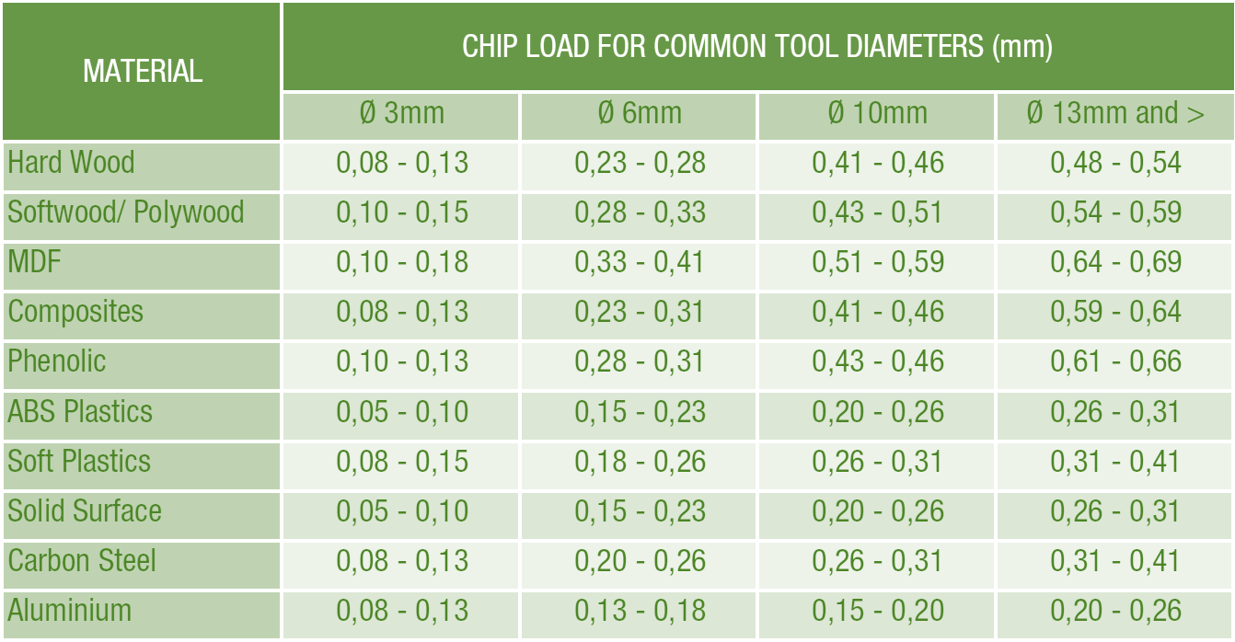

 |  |  |  |  |  | 8mm#
 |  |  |  |  |  | Low | High
 |  |  |  |  | Hardwood | 0.32 | 0.37
 |  |  |  |  | Ply | 0.355 | 0.42
 |  |  |  |  | MDF
 |  |  |  |  | Composite

Calc
 |  |  |  | 🦅The land of inches 🦅
Solving for Chipload (mm) | Feed Rate mm/min | RPM | Number of Flutes |  | Solving for Chipload (inch) | Feed Rate inch/min | RPM | Number of Flutes | Inch Factor
0.0200 | 240 | 6000 | 2 |  | 0.0008 | 9.448824 | 6000 | 2 | 0.0393701
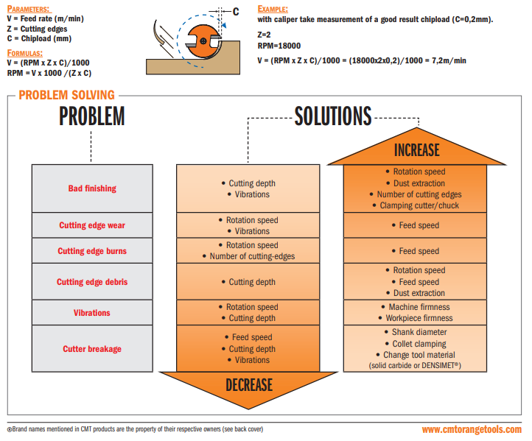
 | 25

Solving for Feedrate (mm) | Chipload (mm) | RPM | Number of Flutes |  | Solving for Feedrate (inch) | Chipload (inch) | RPM | Number of Flutes
720.0000 | 0.06 | 6000 | 2 |  | 28.3465 | 0.002362206 | 6000 | 2

Solving for RPM | Chipload (mm) | Feed Rate mm/min | Number of Flutes |  | Solving for RPM | Chipload (inch) | Feed Rate inch/min | Number of Flutes
5000.0000 | 0.2 | 2000 | 2 |  | 5000.0000 | 0.00787402 | 78.7402 | 2

 | 0.33 | 0.264

